Sheet1
PIONEER SERVICES

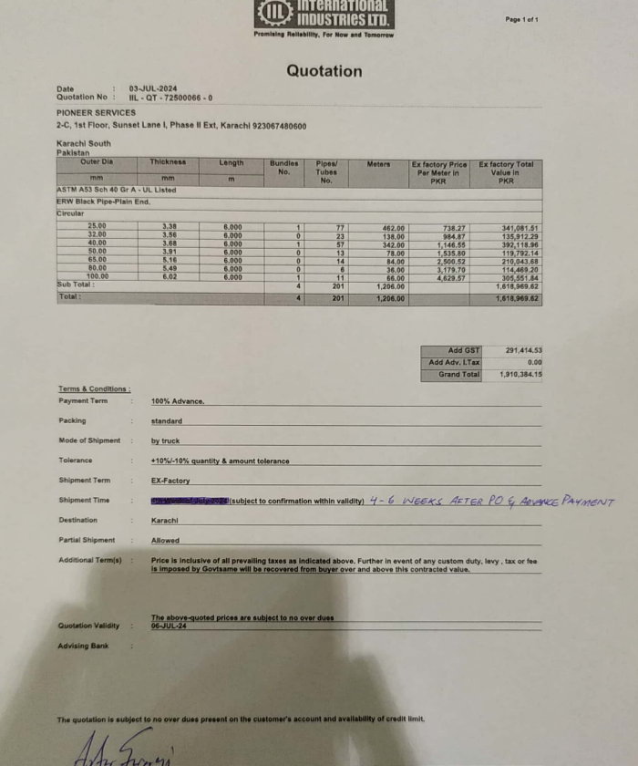

M/S International Industries Limited |  |  |  |  |  | 4-Jul-24

PO # 169

Att: Mr. Shahrukh Mehdi

PURCHASE ORDER

Supply of ERW Black Pipe Plain End for the project (Sana Safinaz Dolmen Mall Lahore)
S No. | D e s c r i p t i o n | Qty | Unit | Mtr | Rate | Amount
1 | ERW Black pipe Plain End 25mm | 77 | LEN | 462 | 738.27 | 341,080.74 | 738
2 | ERW Black pipe Plain End 32mm | 23 | LEN | 138 | 984.87 | 135,912.06 | 985
3 | ERW Black pipe Plain End 40mm | 57 | LEN | 342 | 1,146.55 | 392,120.10 | 1,147
4 | ERW Black pipe Plain End 50mm | 13 | LEN | 78 | 1,535.80 | 119,792.40 | 1,536
5 | ERW Black pipe Plain End 65mm | 14 | LEN | 84 | 2,500.52 | 210,043.68 | 2,501
6 | ERW Black pipe Plain End 80mm | 6 | LEN | 36 | 3,179.70 | 114,469.20 | 3,180
7 | ERW Black pipe Plain End 100mm | 11 | LEN | 66 | 4,629.57 | 305,551.62 | 4,630
 |  | Total |  |  |  | 1,618,970
GST 18% |  |  |  |  |  | 291,415
Total amount |  |  |  |  |  | 1,910,384

for Pioneer Services

